Dashboard
VALUATION CHART
 | ROADZEN INTRINSIC VALUATION |  |  | NASDAQ:RDZN

 | 2 S Equity Value Per Share FCFF | 8.83
 | NPV 3 stage growth model FCFE | 8.76
 | NPV 3 stage growth model FCFF | 8.53
 | EBITDA MULTIPLE METHOD FCFF | 5.70

 | AVERAGE SHARE PRICE | 7.96

 | SENSITIVITY TERMINAL VALUE | 11.41
 | SENSITIVITY EBITDA | 6.88

AVG | 8.35
MED | 8.64
STD | 1.95

 |  | LOW | MIDDLE | HIGH
 | 2 S Equity Value Per Share FCFF | 6.89 | 8.83 | 10.78
 | NPV 3 stage growth model FCFE | 6.81 | 8.76 | 10.71
 | NPV 3 stage growth model FCFF | 6.58 | 8.53 | 10.48
 | EBITDA MULTIPLE METHOD FCFF | 3.75 | 5.70 | 7.65
 | SENSITIVITY TERMINAL VALUE | 8.78 | 9.81 | 10.83
 | SENSITIVITY EBITDA | 3.91 | 8.04 | 12.17
 | MONTECARLO RESULTS GEN | 7.71 | 7.94 | 8.17
 | NET INCOME | 10.21 | 12.16 | 14.11
 | TERMINAL FCF S ANALYSIS | 4.27 | 6.89 | 8.77
 | 2 stage FCFE | 7.31 | 9.25 | 11.20
 | FCFE MONTE CARLO | 8.17 | 8.07 | 8.52
 | FCFF MONTE CARLO | 7.22 | 7.50 | 7.71

 | WACC | 10%
 | Unlevered Beta Switch -> | 0.8

 | Consolidated Share Price |  | 8.72

 | Inputs & assumptions

 | Shares Outstanding |  |  | (FD 000) | 78,344
 | Current Stock Price |  |  | (US$/sh) | $6.00 | 0.5 | 0.75 | 1.5 | 1.7
 | Terminal Growth Rate |  |  |  | 2%
 | Terminal EBITDA Multiple 1 |  |  |  | 8X
 | Weighted Average Cost of Capital (WACC) |  |  |  | 10%

 |  |  |  |  | 1- worst
 | Scenario analysis | Switch -> |  |  | 2-base
 |  |  |  |  | 3-best
 | Margin of Safety $ | $2.72
 | Margin of Safety % | 45%

ARIMA trend analysis
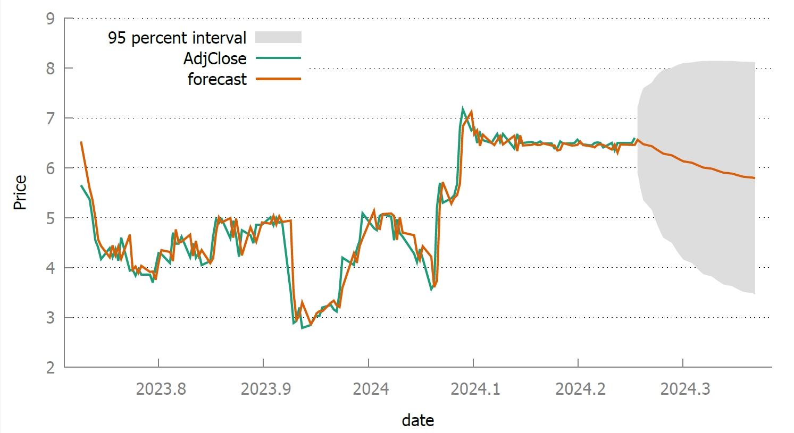
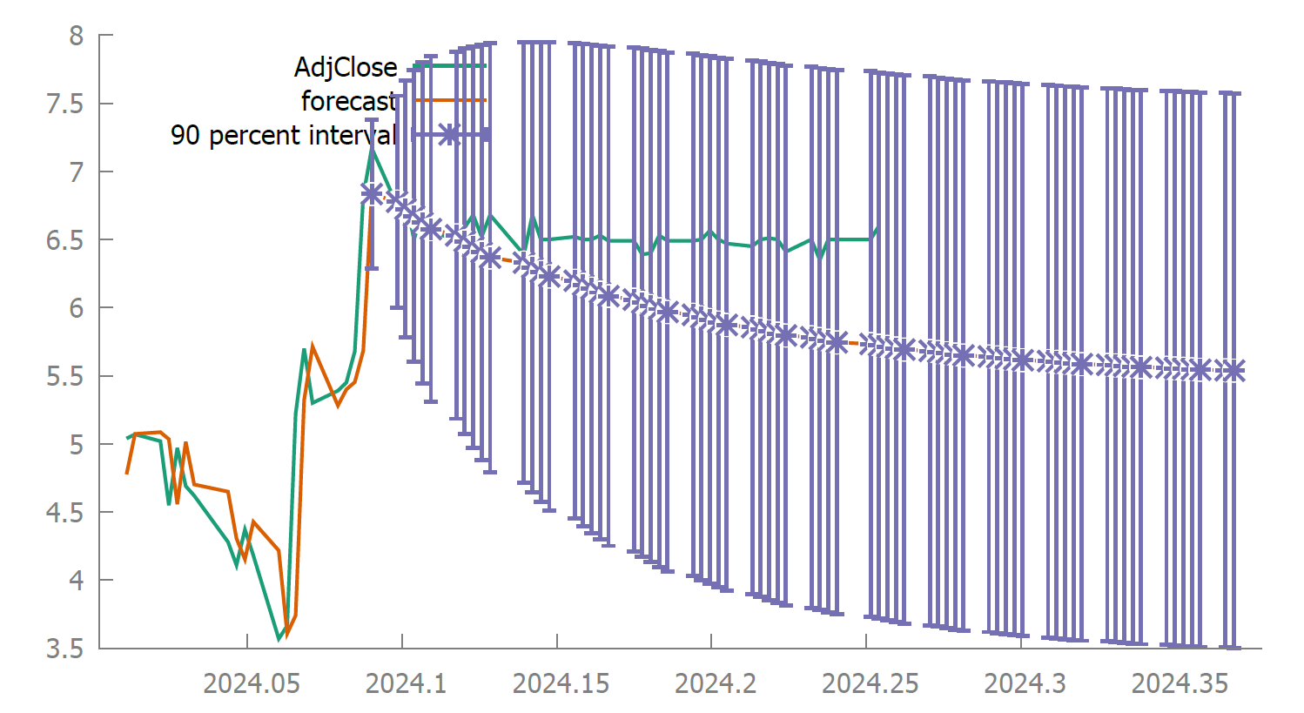
SINCE IPO 95% interval | LTM ARIMA 90% interval

